Louvre Component order form
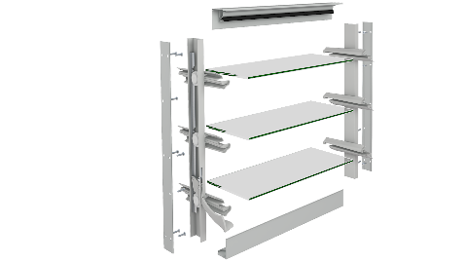
 |  |  |  |  |  | Altair® Louvre Component Form |  |  |  |  |  |  |  |  |  | Version: Aus Dec 2023
 |  |  |  |  |  |  | Email: orders@breezway.com.au
 |  |  |  |  | QUOTE |  |  |  | ORDER

Date: |  |  |  |  |  | Customer Name: |  |  |  |  |  | Contact Name:
Required Despatch Date: |  |  |  |  |  | Despatch to: |  |  |  |  |  | Contact Number:
Customer Order Number: |  |  |  |  |  |  |  |  |  |  |  | Transport Method:
Job Reference: |  |  |  |  |  | Segment: |  |  |  |  |  | Email/fax:
Please Note:
Special Instructions:

Clip Size | Gallery Height mm | Number of operating blades | Extended Channel | Colour Name & Number |  | Clip & Handle Colour |  | Control Side | Screw Holes | Handle Type | Restricted Opening | Variable Handle Position |  | Keylock | Markings | Qty

ACCESSORIES |  |  |  |  |  |  |  | GLASS, ALUMINIUM & TIMBER BLADES
Type |  |  | Length | Colour |  | Markings | Qty | Blade Type |  | Colour |  | Length | Height | Ext Height | Markings | Qty

