Dualair Component order form
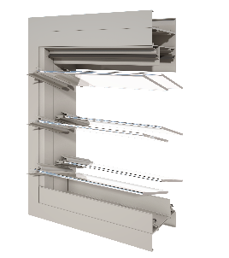
 |  |  |  |  | Altair® Dualair® Secondary Glazed Louvre Daylight Component Quote & Order Form |  |  |  |  |  |  |  |  | Version: Aus July 2026
 |  |  |  |  |  |  | Email: sales@breezway.com.au
 |  |  |  |  | QUOTE |  |  |  | ORDER

Date: |  |  |  |  |  | Customer Name: |  |  |  |  |  | Contact Name:
Required Despatch Date: |  |  |  |  |  | Despatch to: |  |  |  |  |  | Contact Number:
Customer Order Number: |  |  |  |  |  |  |  |  |  |  |  | Transport Method:
Job Reference: |  |  |  |  |  | Segment: |  |  |  |  |  | Email/fax:
Please Note:
Special Instructions:

PRIMARY CONFIGURATIONS |  |  |  |  |  |  |  |  |  |  |  | DUALAIR COMPONENT SYSTEM - Supplied cut-to-length & processed Standard Heights Only Note: * beside Clip and Handle Colour denotes unavailability of P13 Ring-Pull Handle
Aluminium Colour Name & Number |  | Clip & Handle Colour | Outer gallery type | Outer Blade Type | Outer Blade Colour | Inner gallery type | Control Side - Inner gallery | Inner Blade Type | Inner Blade Colour | ULS (Pa) | Water (Pa)
 |  |  | Powerlouvre
LINE ITEM CONFIGURATIONS |  |  |  |  |  |  |  |  |  |  |  | ACCESSORIES
Daylight Height | Daylight Width | Clip Type | Restricted Opening | Markings | Qty | Daylight Height | Daylight Width | Clip Type | Restricted Opening | Markings | Qty | Accessory | Markings | Qty

Dualair Standard Heights
