IGLU Easyscreen

 |  |  |  | Altair® IGLU® Louvre EasyscreenTM Quote and Order Form |  |  |  |  |  |  | Version: Aus Jan 2023
 |  |  |  |  |  | Email: orders@breezway.com.au
 |  |  | QUOTE |  |  |  | ORDER

Date: |  |  |  |  |  | Customer Name: |  |  | Contact Name:
Required Despatch Date: |  |  |  |  |  | Despatch to: |  |  | Contact Number:
Customer Order Number: |  |  |  |  |  |  |  |  | Transport Method:
Job Reference: |  |  |  |  |  | Segment: |  |  | Email/Fax:
Please Note: |  |  |  |  |  |  |  |  | ULS (Pa) | SLS (Pa) | Water (Pa)
Special Instructions:

NOTE: Use Window Width Calculator on 2nd Tab to determine possible window sizes for standard IGLU bay widths and custom fixed lite widths.
Frame 1 |  |  |  | Frame 2 |  |  |  | Frame 3
# Bays |  | Remove Fixing Fins |  | # Bays |  | Remove Fixing Fins |  | # Bays |  | Remove Fixing Fins
Height |  | Reveal Type |  | Height |  | Reveal Type |  | Height |  | Reveal Type
Width (mm) |  | Reveal Width (90-138mm) |  | Width (mm) |  | Reveal Width (90-138mm) |  | Width (mm) |  | Reveal Width (90-138mm)
Handle / Control | Standard Handle | Reveal Fixing |  | Handle / Control | Standard Handle | Reveal Fixing |  | Handle / Control | Standard Handle | Reveal Fixing
Handle Side |  | Reveal Position |  | Handle Side |  | Reveal Position |  | Handle Side |  | Reveal Position
Bay 1 |  | Security |  | Bay 1 |  | Security |  | Bay 1 |  | Security
Bay 2 |  | Restricted Opening |  | Bay 2 |  | Restricted Opening |  | Bay 2 |  | Restricted Opening
Bay 3 |  | Sub-Framing |  | Bay 3 |  | Sub-Framing |  | Bay 3 |  | Sub-Framing
Bay 4 |  | Flashing |  | Bay 4 |  | Flashing |  | Bay 4 |  | Flashing
Bay 5 |  | Screw Holes to Jamb Galleries |  | Bay 5 |  | Screw Holes to Jamb Galleries |  | Bay 5 |  | Screw Holes to Jamb Galleries
Bay 6 |  | Corner Plugs |  | Bay 6 |  | Corner Plugs |  | Bay 6 |  | Corner Plugs
Aluminium Colour |  | Markings |  | Aluminium Colour |  | Markings |  | Aluminium Colour |  | Markings
Clip Colour |  | Quantity |  | Clip Colour |  | Quantity |  | Clip Colour |  | Quantity
ACCESSORIES
Type |  |  | Length |  |  | Colour |  |  | Markings |  | Quantity

Window Width Calculator
1 Bay Easyscreen Calculator |  |  |  |  |  | 4 Bay Easyscreen Calculator |  |  |  |  |  |  |  |  | 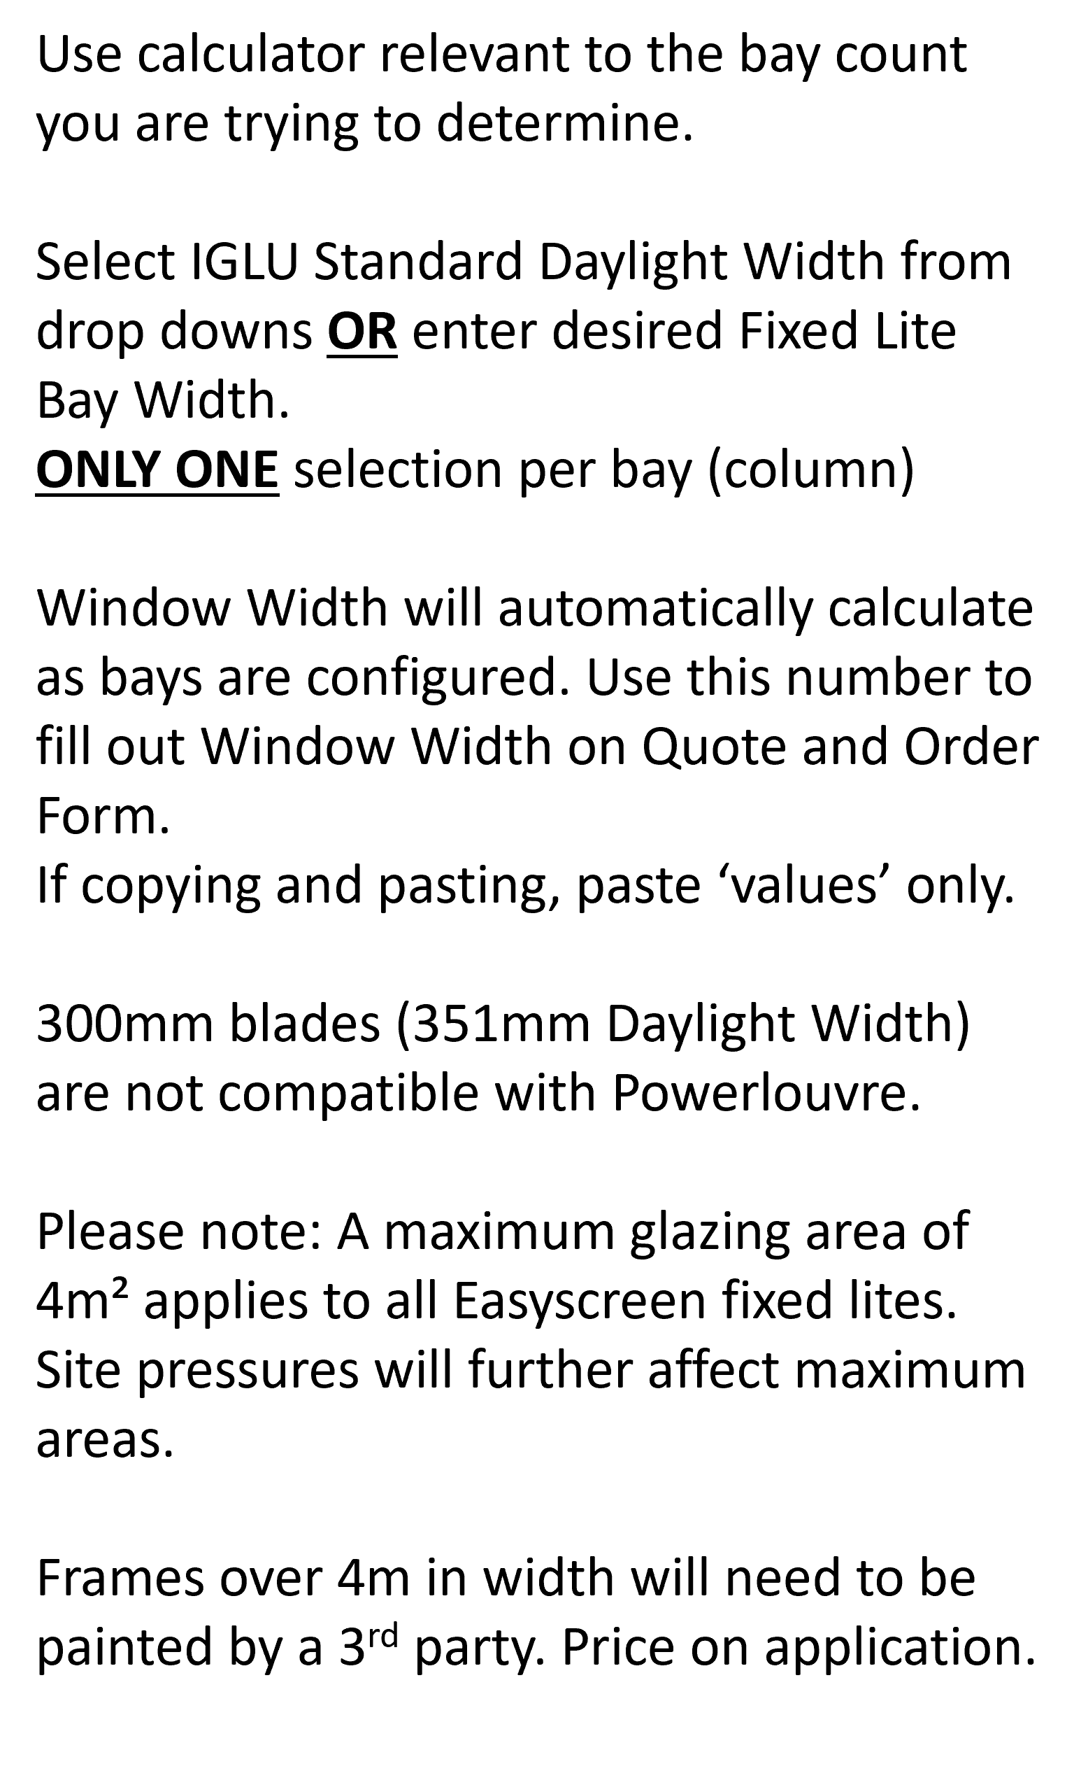
Bays | 1 |  |  |  |  | Bays | 1 | 2 | 3 | 4
IGLU Louvre Bay Daylight Width (mm) |  |  |  |  |  | IGLU Louvre Bay Daylight Width (mm)
Fixed Lite Bay Daylight Width (mm) |  |  |  |  |  | Fixed Lite Bay Daylight Width (mm)
NB: Only 1 selection per column |  | TOTAL WIDTH (mm) | 30 |  |  | NB: Only 1 selection per column |  |  |  |  | TOTAL WIDTH (mm) | 105

2 Bay Easyscreen Calculator |  |  |  |  |  | 5 Bay Easyscreen Calculator
Bays | 1 | 2 |  |  |  | Bays | 1 | 2 | 3 | 4 | 5
IGLU Louvre Bay Daylight Width (mm) |  |  |  |  |  | IGLU Louvre Bay Daylight Width (mm)
Fixed Lite Bay Daylight Width (mm) |  |  |  |  |  | Fixed Lite Bay Daylight Width (mm)
NB: Only 1 selection per column |  |  | TOTAL WIDTH (mm) | 55 |  | NB: Only 1 selection per column |  |  |  |  |  | TOTAL WIDTH (mm) | 130

3 Bay Easyscreen Calculator |  |  |  |  |  | 6 Bay Easyscreen Calculator
Bays | 1 | 2 | 3 |  |  | Bays | 1 | 2 | 3 | 4 | 5 | 6
IGLU Louvre Bay Daylight Width (mm) |  |  |  |  |  | IGLU Louvre Bay Daylight Width (mm)
Fixed Lite Bay Daylight Width (mm) |  |  |  |  |  | Fixed Lite Bay Daylight Width (mm)
NB: Only 1 selection per column |  |  |  | TOTAL WIDTH (mm) | 80 | NB: Only 1 selection per column |  |  |  |  |  |  | TOTAL WIDTH (mm) | 155

